CAN Frame Description
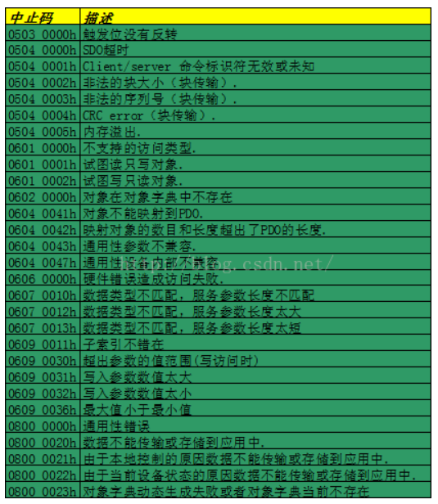
选用标准帧，11位CAN ID

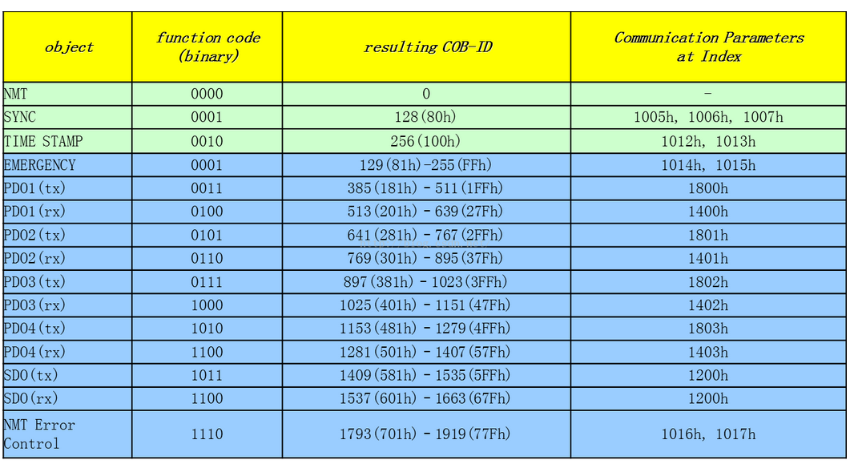

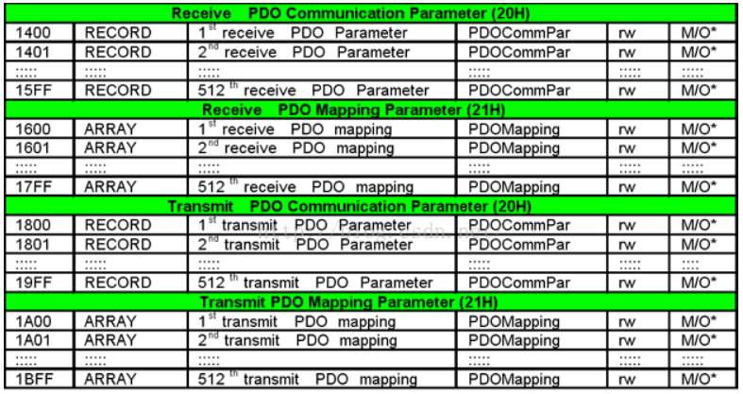

1.其中绿色部分为广播的通讯对象，蓝色部分为点对点的通讯对象。
2. COB-ID的大小也决定了通讯对象的优先级，其中NMT的优先级最高，PDO的优先级高于SDO
3. TPDO由生产者发出，RPDO表示从站给主站发送 | ？
4. PDO中的数据定义需要双方都预先知道实际含义

PDO remap
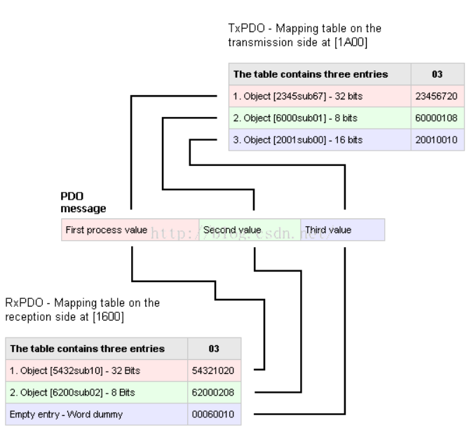
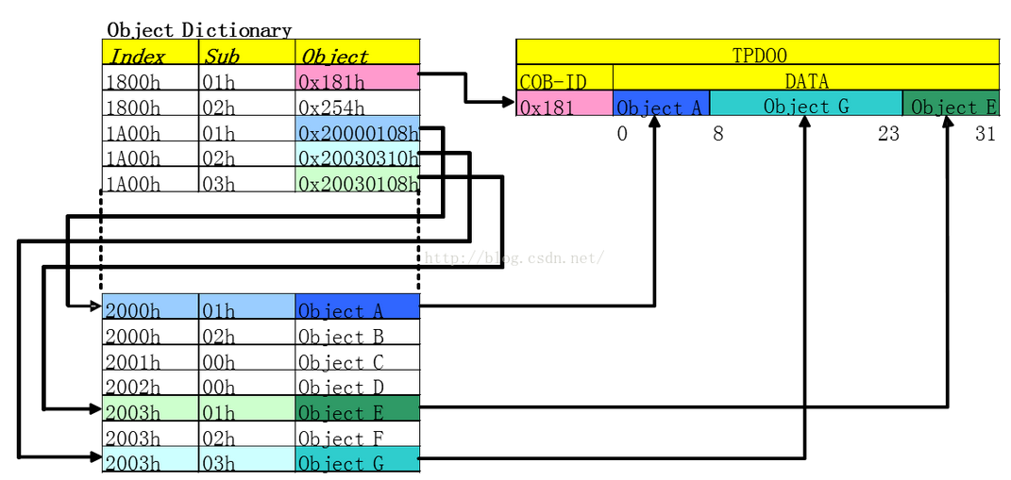

获取PDO参数

上位机测试
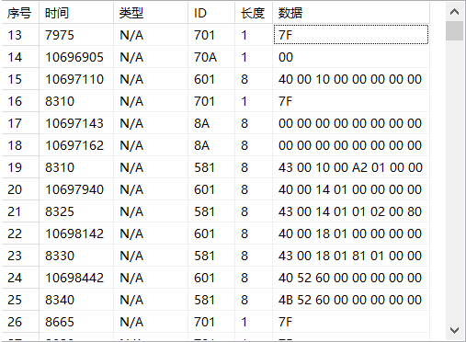

SDO
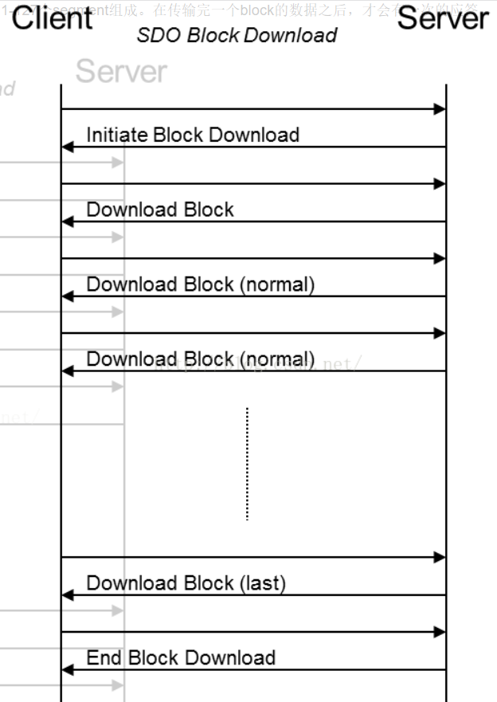
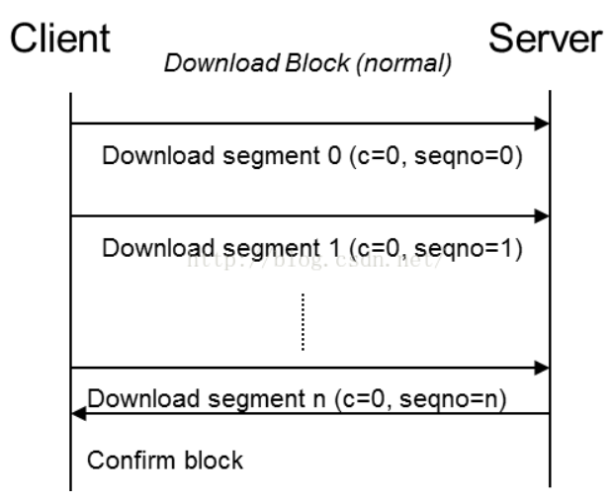
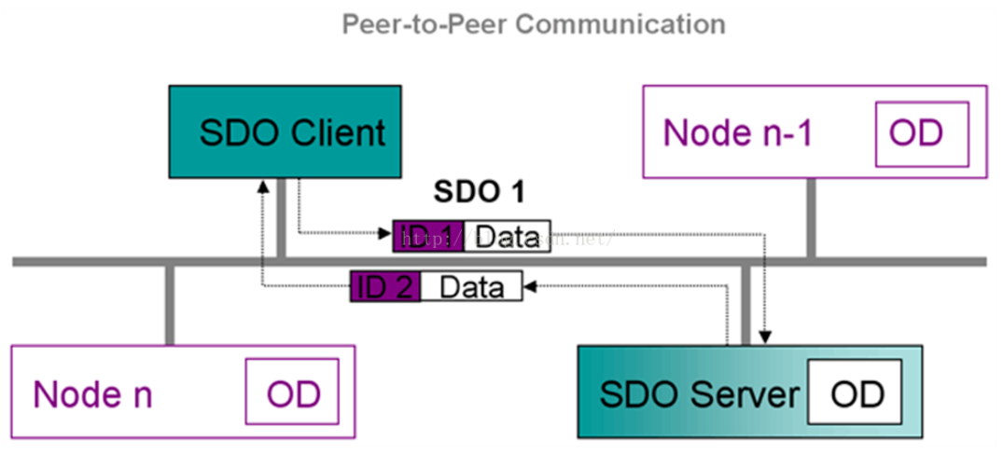
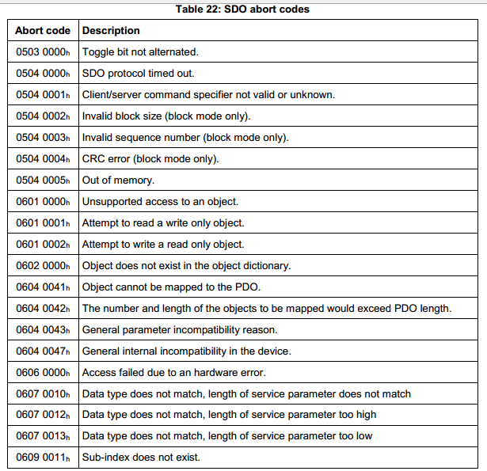

段传输 | 长度小于4时一次发送完成，否则多帧传输
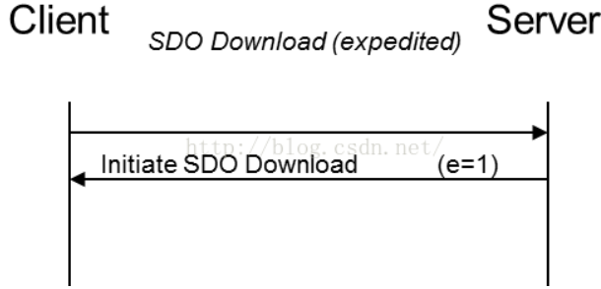
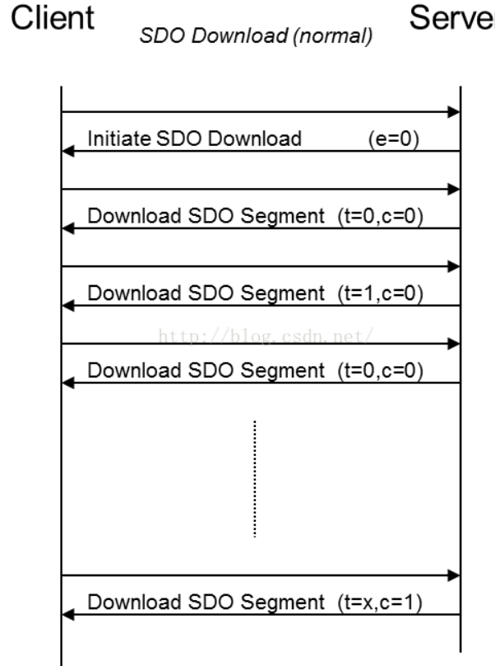

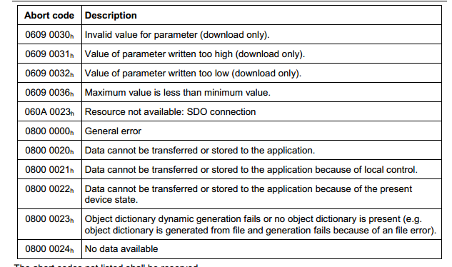

块传输

OD
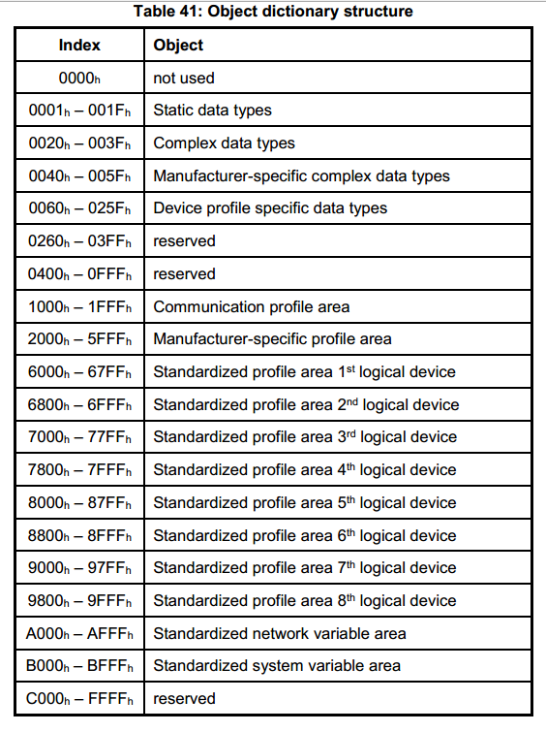
Index | Object code | Name | Data type | Access | Category
6000h | VAR | Battery status | UNSIGNED8 | ro | M
6001h | VAR | Charger status | UNSIGNED8 | rw | M
6010h | VAR | Temperature | INTEGER16 | ro | M
6020h | RECORD | Battery parameters | BatteryPar (see object 0080h) | ro | M
6030h | ARRAY | Battery serial number | UNSIGNED32 | ro | O
6031h | ARRAY | Battery ID | UNSIGNED32 | ro | O
6040h | ARRAY | Vehicle serial number | UNSIGNED32 | ro | O
6041h | ARRAY | Vehicle ID | UNSIGNED32 | ro | O
6050h | VAR | Cumulative total Ah charge | UNSIGNED32 | ro | O
6051h | VAR | Ah expended since last charge | UNSIGNED16 | ro | O
6052h | VAR | Ah returned during last charge | UNSIGNED16 | rw | C
6053h | VAR | Ah since last equalization | UNSIGNED16 | rw | O
6054h | ARRAY | Date of last equalization | UNSIGNED16 | rw | O
6060h | VAR | Battery voltage | UNSIGNED32 | ro | C
6070h | VAR | Charge current requested | UNSIGNED16 | ro | C
6080h | VAR | Charger state of charge | UNSIGNED8 | rw | C
6081h | VAR | Battery state of charge | UNSIGNED8 | ro | C
6090h | VAR | Water level status | UNSIGNED8 | ro | O

Test Frame
接收时间 | 帧ID | 数据长度 | 数据
3954.3176 | 0x0000060d | 0x08 | 40 00 10 00 00 00 00 00
3954.8147 | 0x0000060d | 0x08 | 80 00 10 00 00 00 04 05 | NMT守卫数据，发送间隔为1s，表示此CAN节点的生存时间为1s，1s超时以后发送EMCY数据，05表示当前节点出在操作模式
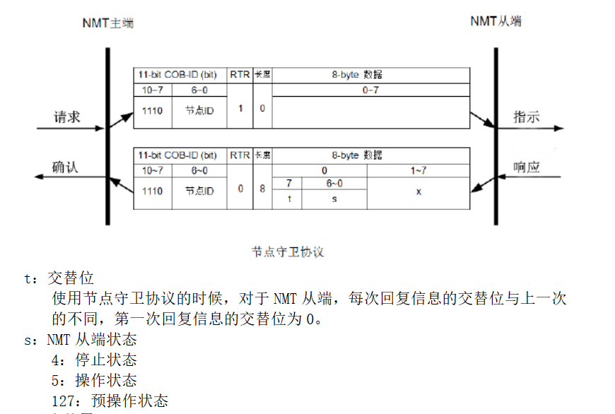
3954.8841 | 0x0000070a | 0x01 | 5
无 | 0x0000060a | 0x08 | 40 20 60 02 00 00 00 00
3955.3841 | 0x0000058a | 0x08 | 80 20 60 02 00 00 02 06
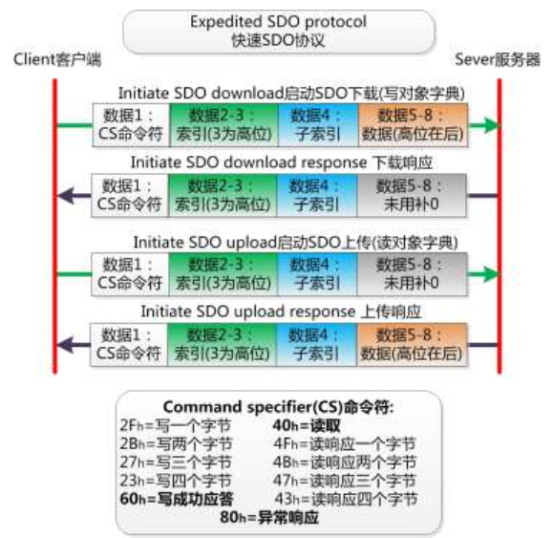
3955.814 | 0x0000060e | 0x08 | 40 00 10 00 00 00 00 00 |  |  | 40 00 10 00 00 00 00 00
3955.8831 | 0x0000070a | 0x01 | 5
3956.3129 | 0x0000060e | 0x08 | 80 00 10 00 00 00 04 05
4058.3493 | 0x0000070a | 0x01 | 5
4058.3504 | 0x0000060f | 0x08 | 40 00 10 00 00 00 00 00
4058.3514 | 0x0000060f | 0x08 | 80 00 10 00 00 00 04 05
4058.352 | 0x0000070a | 0x01 | 5
4058.353 | 0x00000610 | 0x08 | 40 00 10 00 00 00 00 00
4058.3536 | 0x0000070a | 0x01 | 5
4058.3546 | 0x00000610 | 0x08 | 80 00 10 00 00 00 04 05
4058.355 | 0x0000070a | 0x01 | 5
4058.356 | 0x00000611 | 0x08 | 40 00 10 00 00 00 00 00
4058.357 | 0x00000611 | 0x08 | 80 00 10 00 00 00 04 05
4058.3575 | 0x0000070a | 0x01 | 5
4058.689 | 0x00000612 | 0x08 | 40 00 10 00 00 00 00 00
4058.7423 | 0x0000070a | 0x01 | 5
4059.1824 | 0x00000612 | 0x08 | 80 00 10 00 00 00 04 05
无 | 0x0000060a | 0x08 | 40 20 60 04 00 00 00 00
4059.7318 | 0x0000058a | 0x08 | 80 20 60 04 00 00 02 06 | SDO | 向外发起Device Type轮询
4059.7413 | 0x0000070a | 0x01 | 5
4060.1824 | 0x00000613 | 0x08 | 40 00 10 00 00 00 00 00
4060.6808 | 0x00000613 | 0x08 | 80 00 10 00 00 00 04 05
4060.7402 | 0x0000070a | 0x01 | 5
4061.681 | 0x00000614 | 0x08 | 40 00 10 00 00 00 00 00
4061.7391 | 0x0000070a | 0x01 | 5
4062.1791 | 0x00000614 | 0x08 | 80 00 10 00 00 00 04 05

1. Profile Device ID

2. Read 0x6000

3. Read 0x1400

4. Write 0x6000

SYNC
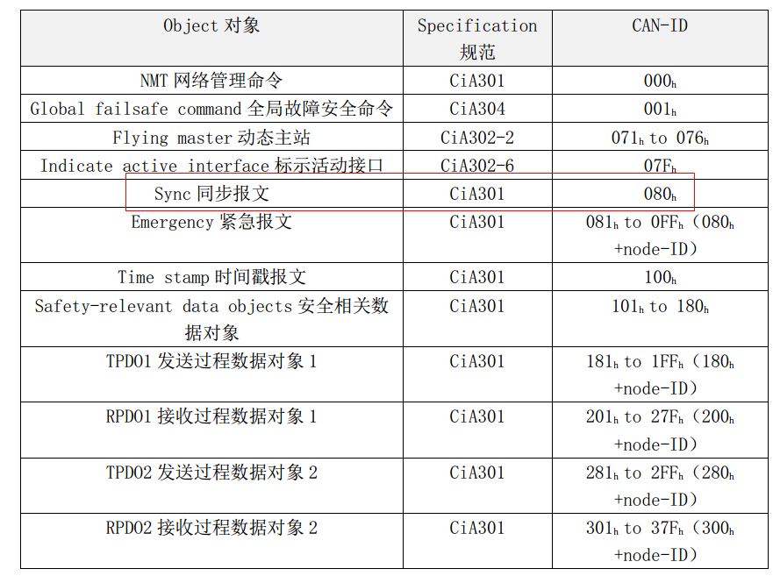
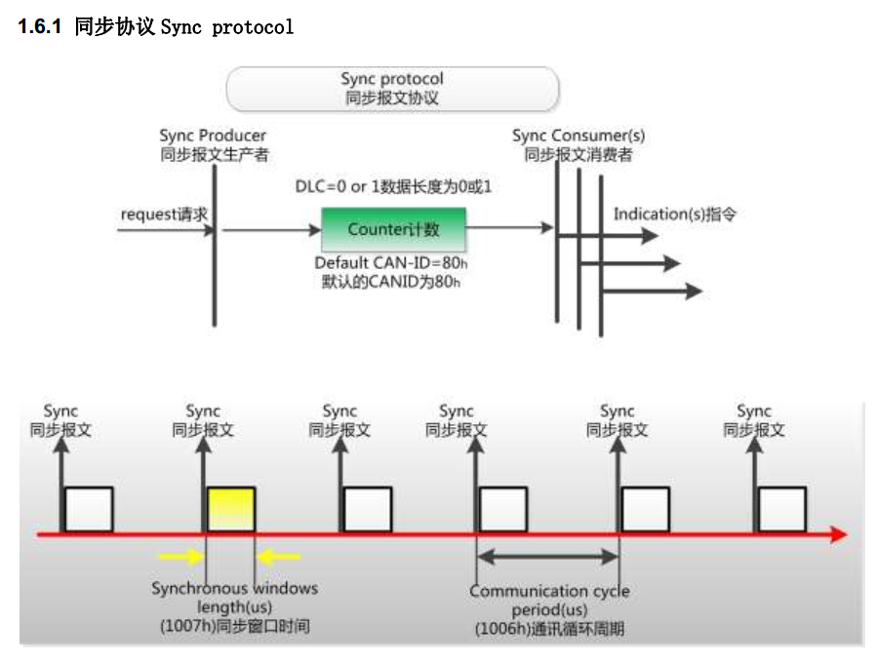

1006 | us
1007 | us

 |  | 不支持

 |  | Charger是同步发起者

